US
U.S.
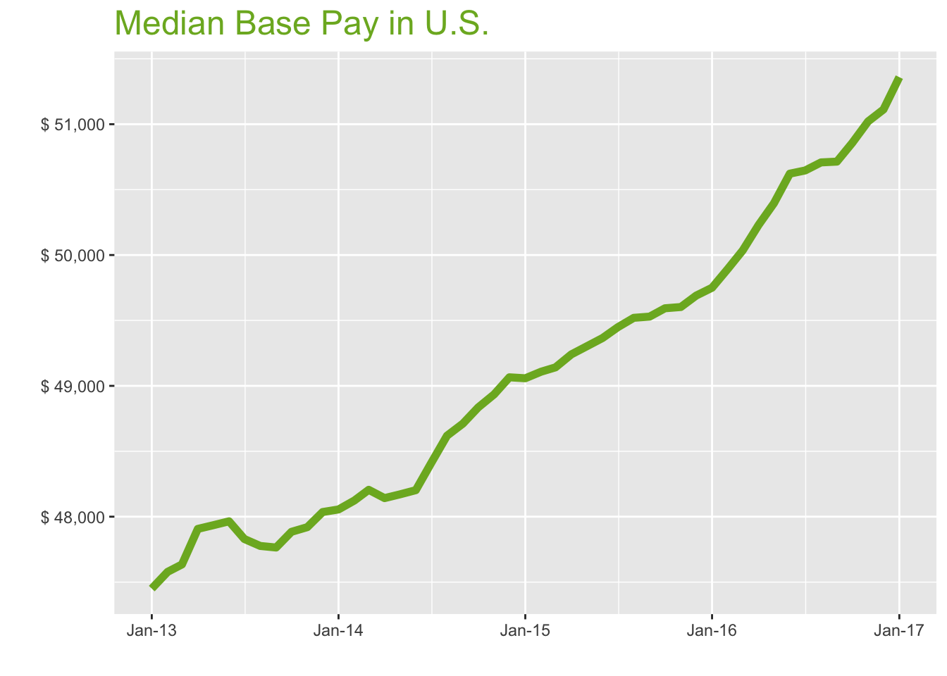
Jan-17

Job Title

Design
 | Median Base Pay | YoY
Graphic Designer | $43,284 | 2.40%
Education
 | Median Base Pay | YoY
Professor | $87,632 | 5.90%
Teacher | $46,987 | 5.00%
Engineering
 | Median Base Pay | YoY
Mechanical Engineer | $71,756 | -0.90%
Design Engineer | $71,688 | 2.50%
Electrical Engineer | $76,723 | 1.60%
Quality Engineer | $73,089 | 2.80%
Field Engineer | $71,005 | 4.50%
Finance
 | Median Base Pay | YoY
Financial Analyst | $63,917 | 4.20%
Accountant | $56,270 | 5.40%
Bank Teller | $28,193 | 4.50%
Tax Manager | $92,588 | 2.60%
Insurance Agent | $44,896 | 7.40%
Health |  |  | Year | Median Base Pay | YOY
 | Median Base Pay | YoY | 2017-01-01 | $51,360 | 3.2%
Registered Nurse | $61,222 | 3.60% | 2016-12-01 | $51,112 | 2.9%
Physical Therapist | $77,198 | 9.70% | 2016-11-01 | $51,021 | 2.9%
Pharmacy Technician | $29,755 | 3.50% | 2016-10-01 | $50,857 | 2.5%
Medical Assistant | $34,345 | 4.90% | 2016-09-01 | $50,714 | 2.4%
Physician | $237,868 | 3.70% | 2016-08-01 | $50,708 | 2.4%
Medical Technologist | $52,596 | 1.10% | 2016-07-01 | $50,646 | 2.4%
Emergency Medical Technician | $35,021 | 3.10% | 2016-06-01 | $50,622 | 2.5%
Human Resources |  |  | 2016-05-01 | $50,396 | 2.2%
 | Median Base Pay | YoY | 2016-04-01 | $50,230 | 2.0%
Recruiter | $52,899 | 7.80% | 2016-03-01 | $50,036 | 1.8%
Human Resources Manager | $69,522 | 2.90% | 2016-02-01 | $49,895 | 1.6%
Labor |  |  | 2016-01-01 | $49,750 | 1.4%
 | Median Base Pay | YoY | 2015-12-01 | $49,690 | 1.3%
Technician | $45,162 | 0.50% | 2015-11-01 | $49,603 | 1.4%
Warehouse Associate | $40,899 | 5.60% | 2015-10-01 | $49,593 | 1.6%
Truck Driver | $54,007 | 7.30% | 2015-09-01 | $49,529 | 1.7%
Machine Operator | $39,309 | 2.10% | 2015-08-01 | $49,520 | 1.9%
Construction Laborer | $41,012 | 0.90% | 2015-07-01 | $49,449 | 2.1%
Maintenance Worker | $40,092 | 1.70% | 2015-06-01 | $49,366 | 2.4%
Law |  |  | 2015-05-01 | $49,302 | 2.3%
 | Median Base Pay | YoY | 2015-04-01 | $49,241 | 2.3%
Attorney | $102,291 | 8.10% | 2015-03-01 | $49,141 | 1.9%
Paralegal | $46,440 | -1.00% | 2015-02-01 | $49,108 | 2.0%
Manufacturing |  |  | 2015-01-01 | $49,058 | 2.1%
 | Median Base Pay | YoY | 2014-12-01 | $49,065 | 2.1%
Production Manager | $67,017 | 2.30% | 2014-11-01 | $48,935 | 2.1%
Manufacturing Engineer | $72,735 | 4.60% | 2014-10-01 | $48,835 | 2.0%
Media |  |  | 2014-09-01 | $48,711 | 2.0%
 | Median Base Pay | YoY | 2014-08-01 | $48,619 | 1.8%
Producer | $46,024 | -6.40% | 2014-07-01 | $48,409 | 1.2%
Technical Editor | $52,400 | 3.70% | 2014-06-01 | $48,203 | 0.5%
Operations |  |  | 2014-05-01 | $48,171 | 0.5%
 | Median Base Pay | YoY | 2014-04-01 | $48,142 | 0.5%
Operations Manager | $67,025 | 4.90% | 2014-03-01 | $48,205 | 1.2%
Operations Analyst | $53,930 | 2.80% | 2014-02-01 | $48,124 | 1.1%
Professional Services |  |  | 2014-01-01 | $48,055 | 1.3%
 | Median Base Pay | YoY | 2013-12-01 | $48,036
Consultant | $74,891 | 3.50% | 2013-11-01 | $47,920
Project Manager | $75,640 | 4.30% | 2013-10-01 | $47,884
Business Analyst | $64,825 | 4.70% | 2013-09-01 | $47,764
Administrative Assistant | $38,811 | 1.30% | 2013-08-01 | $47,776
Marketing Manager | $68,623 | 3.00% | 2013-07-01 | $47,829
Product Manager | $91,449 | 4.40% | 2013-06-01 | $47,965
Customer Service Manager | $53,001 | 5.90% | 2013-05-01 | $47,935
Business Development Manager | $71,654 | 6.00% | 2013-04-01 | $47,907
Communications Manager | $64,351 | 2.80% | 2013-03-01 | $47,635
Real Estate |  |  | 2013-02-01 | $47,578
 | Median Base Pay | YoY | 2013-01-01 | $47,450
Property Manager | $51,690 | 2.50%
Food Services
 | Median Base Pay | YoY
Restaurant Cook | $30,029 | 8.60%
Retail
 | Median Base Pay | YoY
Store Manager | $50,015 | 8.90%
Cashier | $27,223 | 5.50%
Buyer | $58,805 | 4.30%
Retail Key Holder | $29,981 | 6.20%
Sales
 | Median Base Pay | YoY
Sales Representative | $46,112 | 3.00%
Sales Manager | $61,068 | -0.50%
Technology
 | Median Base Pay | YoY
Software Engineer | $86,531 | 3.60%
Programmer Analyst | $69,756 | 5.50%
Web Developer | $61,436 | -0.90%
Data Scientist | $95,908 | 1.70%
Data Analyst | $56,895 | 1.30%
Java Developer | $78,448 | 6.00%
Web Designer | $52,103 | 6.40%

U.S. Quick Facts

 | Jan-17 | YoY
U.S. Median Pay | $51,360 | 3.20%

Industry

 | Median Base Pay
Accounting & Legal | $51,837
Aerospace & Defense | $54,709
Architecture & Civil Engineering | $52,379
Arts & Entertainment | $46,246
Automotive | $46,568
Banking & Financial Services | $50,965
Beauty & Fitness | $45,730
Biotech & Pharmaceuticals | $54,205
Business Services | $49,399
Computer Software & Hardware | $52,895
Construction | $52,586
Consulting | $52,301
Consumer Electronics | $44,446
Consumer Services | $46,397
Education & Schools | $46,637
Energy & Utilities | $57,075
Facilities | $46,986
Farming & Agriculture | $51,062
Government | $51,111
Health Care & Hospitals | $49,613
Information Technology | $50,578
Insurance | $50,795
Internet & Tech | $51,614
Manufacturing | $52,379
Marketing & Advertising | $48,377
Media & Publishing | $49,276
Nonprofit | $46,055
Private Security | $46,020
Real Estate | $48,723
Recruiting & Staffing | $48,583
Restaurants & Bars | $46,316
Retail | $46,619
Supermarkets | $47,388
Telecommunications | $50,122
Transportation & Logistics | $49,302
Travel & Tourism | $46,517
Wholesale | $49,859

Employer Size

 | Median Base Pay
<51 | $46,439
51-200 | $48,178
201-500 | $49,241
501-1000 | $50,130
1001-5000 | $51,272
5000+ | $52,106

SF
San Francisco Metro

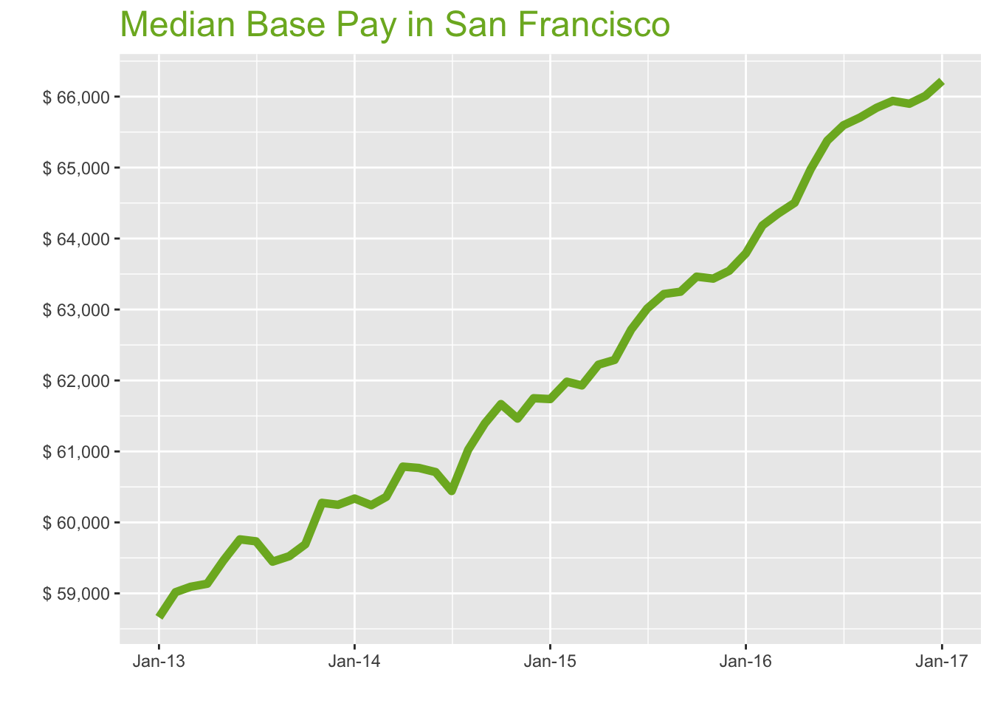
Jan-17

Job Title

Design
 | Median Base Pay | YoY
Graphic Designer | $68,095 | 1.90%
Education
 | Median Base Pay | YoY
Professor | $135,318 | 5.40%
Teacher | $64,422 | 4.40%
Engineering
 | Median Base Pay | YoY
Mechanical Engineer | $90,479 | -1.40%
Design Engineer | $91,710 | 2.00%
Electrical Engineer | $96,091 | 1.10%
Quality Engineer | $91,042 | 2.20%
Field Engineer | $80,960 | 4.00%
Finance
 | Median Base Pay | YoY
Financial Analyst | $83,600 | 3.70%
Accountant | $71,744 | 4.90%
Bank Teller | $32,554 | 3.90%
Tax Manager | $118,632 | 2.00%
Insurance Agent | $53,831 | 6.80%
Health
 | Median Base Pay | YoY
Registered Nurse | $116,674 | 3.10%
Physical Therapist | $99,767 | 9.10%
Pharmacy Technician | $44,582 | 3.00%
Medical Assistant | $50,605 | 4.40%
Physician | $306,144 | 3.10%
Medical Technologist | $67,693 | 0.50%
Emergency Medical Technician | $43,367 | 2.60%
Human Resources
 | Median Base Pay | YoY
Recruiter | $73,978 | 7.30%
Human Resources Manager | $97,219 | 2.40%
Labor
 | Median Base Pay | YoY
Technician | $56,178 | 0.00%
Warehouse Associate | $52,638 | 5.10%
Truck Driver | $67,895 | 6.80%
Machine Operator | $46,844 | 1.60%
Construction Laborer | $51,442 | 0.40%
Maintenance Worker | $51,600 | 1.20%
Law
 | Median Base Pay | YoY
Attorney | $149,995 | 7.50%
Paralegal | $68,332 | -1.50%
Manufacturing
 | Median Base Pay | YoY
Production Manager | $87,561 | 1.80%
Manufacturing Engineer | $93,614 | 4.10%
Media
 | Median Base Pay | YoY
Producer | $77,411 | -6.90%
Technical Editor | $67,441 | 3.10%
Operations
 | Median Base Pay | YoY
Operations Manager | $86,407 | 4.40%
Operations Analyst | $69,722 | 2.30%
Professional Services
 | Median Base Pay | YoY
Consultant | $98,608 | 3.00%
Project Manager | $96,099 | 3.80%
Business Analyst | $85,231 | 4.20%
Administrative Assistant | $52,872 | 0.80%
Marketing Manager | $100,720 | 2.50%
Product Manager | $123,956 | 3.90%
Customer Service Manager | $68,917 | 5.40%
Business Development Manager | $93,551 | 5.40%
Communications Manager | $94,828 | 2.30%
Real Estate
 | Median Base Pay | YoY
Property Manager | $70,481 | 2.00%
Food Services
 | Median Base Pay | YoY
Restaurant Cook | $37,299 | 8.00%
Retail
 | Median Base Pay | YoY
Store Manager | $65,520 | 8.30%
Cashier | $32,421 | 4.90%
Buyer | $81,356 | 3.80%
Retail Key Holder | $37,958 | 5.70%
Sales
 | Median Base Pay | YoY
Sales Representative | $59,870 | 2.50%
Sales Manager | $79,238 | -1.00%
Technology
 | Median Base Pay | YoY
Software Engineer | $119,178 | 3.10%
Programmer Analyst | $90,426 | 5.00%
Web Developer | $95,868 | -1.40%
Data Scientist | $135,587 | 1.20%
Data Analyst | $85,007 | 0.80%
Java Developer | $107,687 | 5.40%
Web Designer | $80,123 | 5.90%

San Francisco Quick Facts

 | Jan-17 | YoY
San Francisco Median Pay | $66,221 | 3.80%
U.S. Median Pay | $51,360 | 3.20%
Job Openings | 110,875 | 13.50%
 | Nov-16 | YoY
Labor Force Size* | 2,570,628 | 2.10%
Total Employment* | 2,479,097 | 2.60%
Unemployment Rate* | 3.60% | -0.40%

Industry

 | Median Base Pay
Accounting & Legal | $66,715
Aerospace & Defense | $70,412
Architecture & Civil Engineering | $67,414
Arts & Entertainment | $59,520
Automotive | $59,934
Banking & Financial Services | $65,593
Beauty & Fitness | $58,856
Biotech & Pharmaceuticals | $69,764
Business Services | $63,578
Computer Software & Hardware | $68,078
Construction | $67,680
Consulting | $67,312
Consumer Electronics | $57,203
Consumer Services | $59,714
Education & Schools | $60,023
Energy & Utilities | $73,457
Facilities | $60,473
Farming & Agriculture | $65,718
Government | $65,782
Health Care & Hospitals | $63,853
Information Technology | $65,095
Insurance | $65,375
Internet & Tech | $66,429
Manufacturing | $67,414
Marketing & Advertising | $62,262
Media & Publishing | $63,420
Nonprofit | $59,274
Private Security | $59,229
Real Estate | $62,708
Recruiting & Staffing | $62,529
Restaurants & Bars | $59,610
Retail | $60,000
Supermarkets | $60,990
Telecommunications | $64,509
Transportation & Logistics | $63,453
Travel & Tourism | $59,869
Wholesale | $64,170

Employer Size

 | Median Base Pay
<51 | $59,768
51-200 | $62,007
201-500 | $63,374
501-1000 | $64,519
1001-5000 | $65,989
5000+ | $67,062

LA
Los Angeles Metro

Jan-17
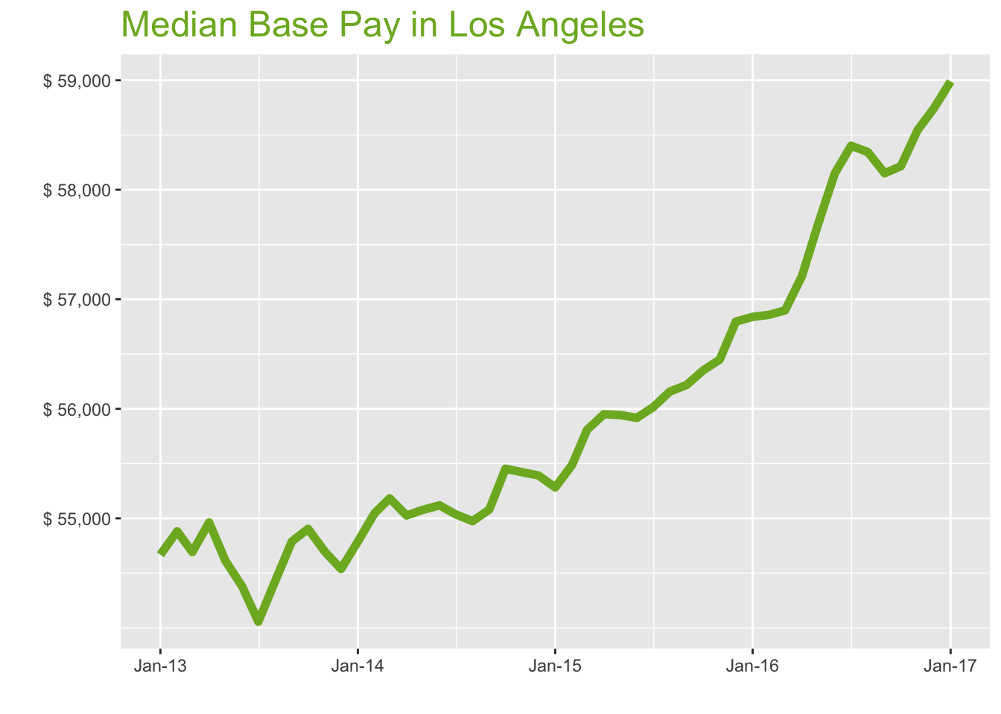
Job Title

Design
 | Median Base Pay | YoY
Graphic Designer | $55,262 | 3.30%
Education
 | Median Base Pay | YoY
Professor | $117,153 | 6.90%
Teacher | $61,440 | 5.90%
Engineering
 | Median Base Pay | YoY
Mechanical Engineer | $78,886 | 0.00%
Design Engineer | $85,527 | 3.40%
Electrical Engineer | $85,802 | 2.50%
Quality Engineer | $82,522 | 3.70%
Field Engineer | $76,379 | 5.50%
Finance
 | Median Base Pay | YoY
Financial Analyst | $71,874 | 5.20%
Accountant | $61,667 | 6.40%
Bank Teller | $30,367 | 5.40%
Tax Manager | $108,905 | 3.50%
Insurance Agent | $52,052 | 8.40%
Health
 | Median Base Pay | YoY
Registered Nurse | $87,925 | 4.60%
Physical Therapist | $95,697 | 10.70%
Pharmacy Technician | $36,134 | 4.40%
Medical Assistant | $38,403 | 5.90%
Physician | $272,304 | 4.60%
Medical Technologist | $60,210 | 2.00%
Emergency Medical Technician | $34,664 | 4.10%
Human Resources
 | Median Base Pay | YoY
Recruiter | $61,575 | 8.80%
Human Resources Manager | $85,185 | 3.80%
Labor
 | Median Base Pay | YoY
Technician | $51,701 | 1.50%
Warehouse Associate | $44,527 | 6.60%
Truck Driver | $57,667 | 8.30%
Machine Operator | $36,872 | 3.10%
Construction Laborer | $40,532 | 1.80%
Maintenance Worker | $42,258 | 2.70%
Law
 | Median Base Pay | YoY
Attorney | $133,262 | 9.10%
Paralegal | $58,360 | -0.10%
Manufacturing
 | Median Base Pay | YoY
Production Manager | $77,847 | 3.20%
Manufacturing Engineer | $80,639 | 5.60%
Media
 | Median Base Pay | YoY
Producer | $73,446 | -5.50%
Technical Editor | $59,986 | 4.60%
Operations
 | Median Base Pay | YoY
Operations Manager | $75,865 | 5.90%
Operations Analyst | $60,376 | 3.80%
Professional Services
 | Median Base Pay | YoY
Consultant | $92,660 | 4.50%
Project Manager | $86,731 | 5.30%
Business Analyst | $74,452 | 5.70%
Administrative Assistant | $46,386 | 2.20%
Marketing Manager | $84,663 | 4.00%
Product Manager | $104,688 | 5.40%
Customer Service Manager | $62,660 | 6.90%
Business Development Manager | $81,736 | 6.90%
Communications Manager | $77,010 | 3.70%
Real Estate
 | Median Base Pay | YoY
Property Manager | $63,671 | 3.50%
Food Services
 | Median Base Pay | YoY
Restaurant Cook | $33,335 | 9.60%
Retail
 | Median Base Pay | YoY
Store Manager | $61,642 | 9.90%
Cashier | $29,669 | 6.40%
Buyer | $66,368 | 5.20%
Retail Key Holder | $34,006 | 7.20%
Sales
 | Median Base Pay | YoY
Sales Representative | $53,112 | 3.90%
Sales Manager | $72,483 | 0.50%
Technology
 | Median Base Pay | YoY
Software Engineer | $98,796 | 4.60%
Programmer Analyst | $79,805 | 6.50%
Web Developer | $75,849 | 0.00%
Data Scientist | $115,406 | 2.70%
Data Analyst | $67,854 | 2.20%
Java Developer | $92,067 | 6.90%
Web Designer | $63,301 | 7.40%

Los Angeles Quick Facts

 | Jan-17 | YoY
Los Angeles Median Pay | $58,988 | 3.80%
U.S. Median Pay | $51,360 | 3.20%
Job Openings | 164,472 | 15.90%
 | Nov-16 | YoY
Labor Force Size* | 6,742,604 | 2.20%
Total Employment* | 6,436,173 | 3.10%
Unemployment Rate* | 4.50% | -1%

Industry

 | Median Base Pay
Accounting & Legal | $59,341
Aerospace & Defense | $62,629
Architecture & Civil Engineering | $59,962
Arts & Entertainment | $52,941
Automotive | $53,309
Banking & Financial Services | $58,343
Beauty & Fitness | $52,351
Biotech & Pharmaceuticals | $62,053
Business Services | $56,550
Computer Software & Hardware | $60,553
Construction | $60,199
Consulting | $59,872
Consumer Electronics | $50,880
Consumer Services | $53,114
Education & Schools | $53,389
Energy & Utilities | $65,337
Facilities | $53,789
Farming & Agriculture | $58,454
Government | $58,510
Health Care & Hospitals | $56,795
Information Technology | $57,900
Insurance | $58,149
Internet & Tech | $59,086
Manufacturing | $59,962
Marketing & Advertising | $55,380
Media & Publishing | $56,410
Nonprofit | $52,722
Private Security | $52,682
Real Estate | $55,777
Recruiting & Staffing | $55,617
Restaurants & Bars | $53,021
Retail | $53,368
Supermarkets | $54,248
Telecommunications | $57,378
Transportation & Logistics | $56,439
Travel & Tourism | $53,251
Wholesale | $57,077

Employer Size

 | Median Base Pay
<51 | $53,162
51-200 | $55,153
201-500 | $56,369
501-1000 | $57,387
1001-5000 | $58,695
5000+ | $59,649

CHI
Chicago Metro

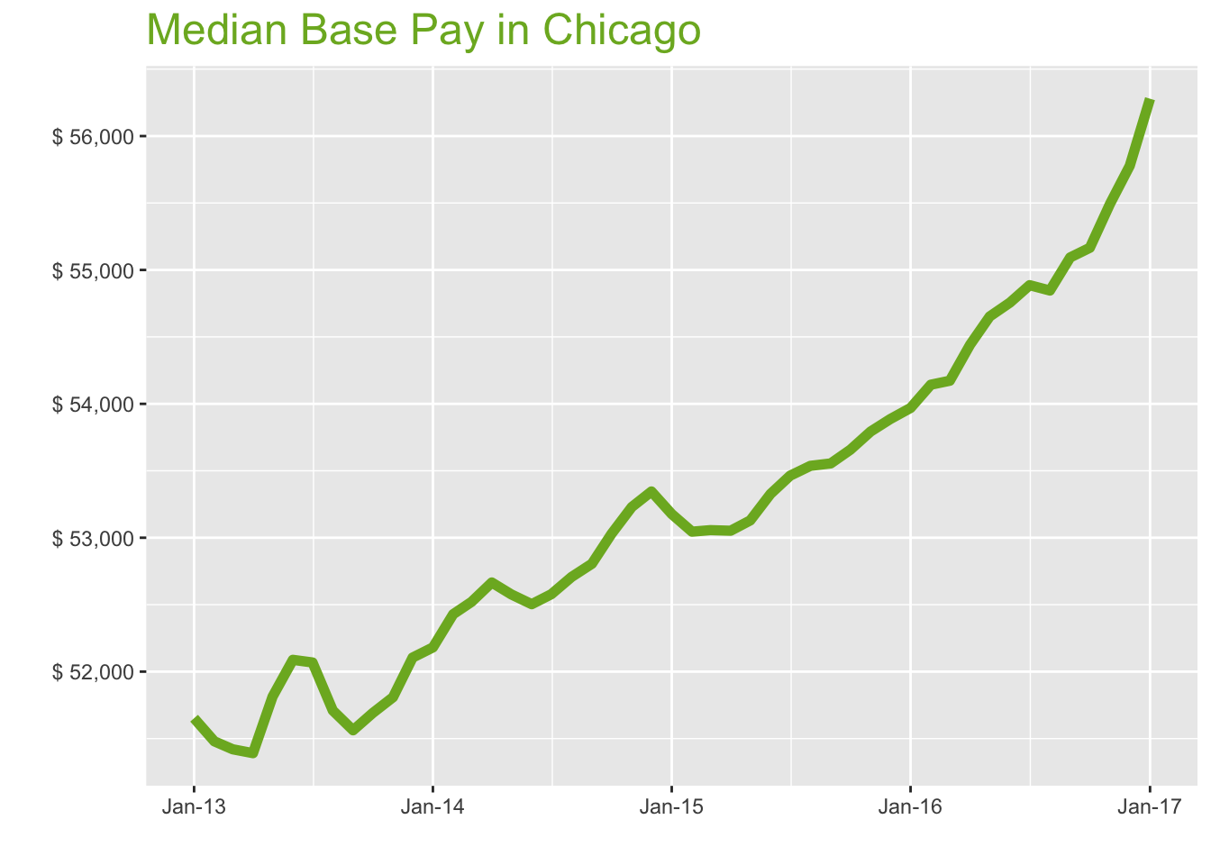
Jan-17

Job Title

Design
 | Median Base Pay | YoY
Graphic Designer | $50,378 | 4.10%
Education
 | Median Base Pay | YoY
Professor | $102,580 | 7.70%
Teacher | $55,182 | 6.70%
Engineering
 | Median Base Pay | YoY
Mechanical Engineer | $72,489 | 0.80%
Design Engineer | $76,350 | 4.20%
Electrical Engineer | $79,297 | 3.30%
Quality Engineer | $76,194 | 4.50%
Field Engineer | $69,849 | 6.30%
Finance
 | Median Base Pay | YoY
Financial Analyst | $69,274 | 6.00%
Accountant | $61,649 | 7.20%
Bank Teller | $29,141 | 6.20%
Tax Manager | $104,888 | 4.30%
Insurance Agent | $46,579 | 9.20%
Health
 | Median Base Pay | YoY
Registered Nurse | $70,190 | 5.40%
Physical Therapist | $81,967 | 11.50%
Pharmacy Technician | $32,346 | 5.20%
Medical Assistant | $37,755 | 6.70%
Physician | $261,485 | 5.40%
Medical Technologist | $53,999 | 2.80%
Emergency Medical Technician | $33,922 | 4.90%
Human Resources
 | Median Base Pay | YoY
Recruiter | $55,041 | 9.60%
Human Resources Manager | $82,405 | 4.60%
Labor
 | Median Base Pay | YoY
Technician | $48,441 | 2.20%
Warehouse Associate | $49,681 | 7.40%
Truck Driver | $58,864 | 9.10%
Machine Operator | $40,710 | 3.80%
Construction Laborer | $46,704 | 2.60%
Maintenance Worker | $42,420 | 3.40%
Law
 | Median Base Pay | YoY
Attorney | $118,433 | 9.90%
Paralegal | $55,300 | 0.70%
Manufacturing
 | Median Base Pay | YoY
Production Manager | $71,799 | 4.00%
Manufacturing Engineer | $76,487 | 6.40%
Media
 | Median Base Pay | YoY
Producer | $59,740 | -4.80%
Technical Editor | $57,603 | 5.40%
Operations
 | Median Base Pay | YoY
Operations Manager | $71,864 | 6.70%
Operations Analyst | $61,400 | 4.60%
Professional Services
 | Median Base Pay | YoY
Consultant | $90,427 | 5.30%
Project Manager | $84,110 | 6.10%
Business Analyst | $74,903 | 6.40%
Administrative Assistant | $44,029 | 3.00%
Marketing Manager | $82,403 | 4.70%
Product Manager | $99,681 | 6.20%
Customer Service Manager | $59,625 | 7.70%
Business Development Manager | $75,711 | 7.70%
Communications Manager | $74,403 | 4.50%
Real Estate
 | Median Base Pay | YoY
Property Manager | $60,253 | 4.20%
Food Services
 | Median Base Pay | YoY
Restaurant Cook | $31,541 | 10.40%
Retail
 | Median Base Pay | YoY
Store Manager | $55,489 | 10.70%
Cashier | $28,815 | 7.20%
Buyer | $68,062 | 6.00%
Retail Key Holder | $32,577 | 8.00%
Sales
 | Median Base Pay | YoY
Sales Representative | $50,690 | 4.70%
Sales Manager | $70,245 | 1.20%
Technology
 | Median Base Pay | YoY
Software Engineer | $89,215 | 5.40%
Programmer Analyst | $77,082 | 7.30%
Web Developer | $72,792 | 0.80%
Data Scientist | $100,348 | 3.40%
Data Analyst | $64,439 | 3.00%
Java Developer | $87,248 | 7.70%
Web Designer | $62,169 | 8.20%

Chicago Quick Facts

 | Jan-17 | YoY
Chicago Median Pay | $56,279 | 4.30%
U.S. Median Pay | $51,360 | 3.20%
Job Openings | 152,474 | 18.70%
 | Nov-16 | YoY
Labor Force Size* | 4,916,464 | 0.60%
Total Employment* | 4,657,283 | 0.80%
Unemployment Rate* | 5.30% | -0.10%

Industry

 | Median Base Pay
Accounting & Legal | $56,983
Aerospace & Defense | $60,141
Architecture & Civil Engineering | $57,580
Arts & Entertainment | $50,838
Automotive | $51,191
Banking & Financial Services | $56,025
Beauty & Fitness | $50,271
Biotech & Pharmaceuticals | $59,587
Business Services | $54,303
Computer Software & Hardware | $58,147
Construction | $57,807
Consulting | $57,493
Consumer Electronics | $48,859
Consumer Services | $51,004
Education & Schools | $51,268
Energy & Utilities | $62,741
Facilities | $51,651
Farming & Agriculture | $56,132
Government | $56,186
Health Care & Hospitals | $54,539
Information Technology | $55,599
Insurance | $55,839
Internet & Tech | $56,738
Manufacturing | $57,580
Marketing & Advertising | $53,180
Media & Publishing | $54,168
Nonprofit | $50,628
Private Security | $50,589
Real Estate | $53,561
Recruiting & Staffing | $53,407
Restaurants & Bars | $50,914
Retail | $51,248
Supermarkets | $52,093
Telecommunications | $55,098
Transportation & Logistics | $54,196
Travel & Tourism | $51,136
Wholesale | $54,810

Employer Size

 | Median Base Pay
<51 | $51,050
51-200 | $52,962
201-500 | $54,130
501-1000 | $55,107
1001-5000 | $56,363
5000+ | $57,279

HOU
Houston Metro

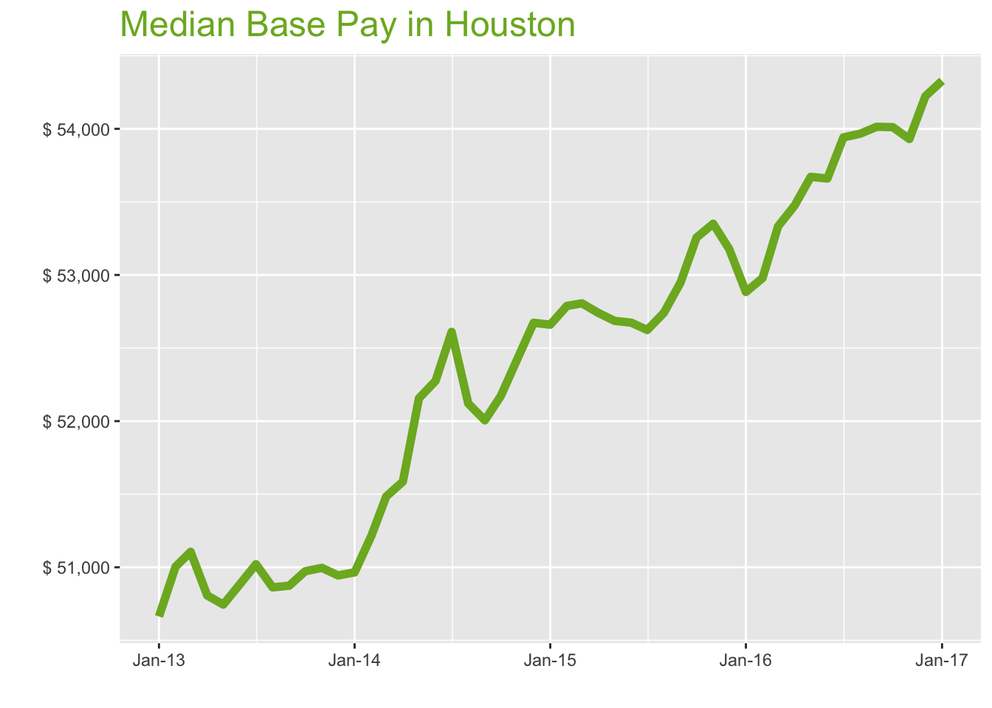
Jan-17

Job Title

Design
 | Median Base Pay | YoY
Graphic Designer | $46,869 | 1.70%
Education
 | Median Base Pay | YoY
Professor | $96,215 | 5.20%
Teacher | $51,380 | 4.30%
Engineering
 | Median Base Pay | YoY
Mechanical Engineer | $79,725 | -1.50%
Design Engineer | $82,631 | 1.80%
Electrical Engineer | $82,696 | 1.00%
Quality Engineer | $74,698 | 2.10%
Field Engineer | $73,093 | 3.90%
Finance
 | Median Base Pay | YoY
Financial Analyst | $70,704 | 3.60%
Accountant | $60,361 | 4.70%
Bank Teller | $27,960 | 3.80%
Tax Manager | $102,244 | 1.90%
Insurance Agent | $43,392 | 6.70%
Health
 | Median Base Pay | YoY
Registered Nurse | $70,380 | 3.00%
Physical Therapist | $82,719 | 9.00%
Pharmacy Technician | $31,687 | 2.80%
Medical Assistant | $35,728 | 4.30%
Physician | $249,158 | 3.00%
Medical Technologist | $56,272 | 0.40%
Emergency Medical Technician | $38,657 | 2.50%
Human Resources
 | Median Base Pay | YoY
Recruiter | $54,227 | 7.20%
Human Resources Manager | $80,594 | 2.20%
Labor
 | Median Base Pay | YoY
Technician | $47,723 | -0.10%
Warehouse Associate | $37,496 | 5.00%
Truck Driver | $56,571 | 6.70%
Machine Operator | $41,067 | 1.50%
Construction Laborer | $38,053 | 0.20%
Maintenance Worker | $39,060 | 1.10%
Law
 | Median Base Pay | YoY
Attorney | $128,369 | 7.40%
Paralegal | $52,805 | -1.60%
Manufacturing
 | Median Base Pay | YoY
Production Manager | $69,374 | 1.60%
Manufacturing Engineer | $76,973 | 4.00%
Media
 | Median Base Pay | YoY
Producer | $52,155 | -7.00%
Technical Editor | $54,887 | 3.00%
Operations
 | Median Base Pay | YoY
Operations Manager | $70,542 | 4.20%
Operations Analyst | $60,029 | 2.20%
Professional Services
 | Median Base Pay | YoY
Consultant | $83,566 | 2.90%
Project Manager | $86,250 | 3.70%
Business Analyst | $71,462 | 4.00%
Administrative Assistant | $41,887 | 0.70%
Marketing Manager | $75,394 | 2.40%
Product Manager | $95,818 | 3.80%
Customer Service Manager | $53,971 | 5.20%
Business Development Manager | $79,910 | 5.30%
Communications Manager | $69,508 | 2.10%
Real Estate
 | Median Base Pay | YoY
Property Manager | $55,342 | 1.90%
Food Services
 | Median Base Pay | YoY
Restaurant Cook | $27,926 | 7.90%
Retail
 | Median Base Pay | YoY
Store Manager | $52,389 | 8.20%
Cashier | $26,093 | 4.80%
Buyer | $61,995 | 3.60%
Retail Key Holder | $30,439 | 5.50%
Sales
 | Median Base Pay | YoY
Sales Representative | $48,935 | 2.30%
Sales Manager | $66,236 | -1.10%
Technology
 | Median Base Pay | YoY
Software Engineer | $83,278 | 3.00%
Programmer Analyst | $71,664 | 4.80%
Web Developer | $69,965 | -1.50%
Data Scientist | $100,460 | 1.10%
Data Analyst | $62,121 | 0.60%
Java Developer | $86,178 | 5.30%
Web Designer | $54,330 | 5.70%

Houston Quick Facts

 | Jan-17 | YoY
Houston Median Pay | $54,329 | 2.70%
U.S. Median Pay | $51,360 | 3.20%
Job Openings | 75,655 | 8.00%
 | Nov-16 | YoY
Labor Force Size* | 3,304,933 | 1.30%
Total Employment* | 3,142,812 | 1.20%
Unemployment Rate* | 4.90% | 0.10%

Industry

 | Median Base Pay
Accounting & Legal | $54,297
Aerospace & Defense | $57,305
Architecture & Civil Engineering | $54,865
Arts & Entertainment | $48,441
Automotive | $48,778
Banking & Financial Services | $53,384
Beauty & Fitness | $47,901
Biotech & Pharmaceuticals | $56,778
Business Services | $51,743
Computer Software & Hardware | $55,406
Construction | $55,082
Consulting | $54,783
Consumer Electronics | $46,555
Consumer Services | $48,599
Education & Schools | $48,851
Energy & Utilities | $59,784
Facilities | $49,216
Farming & Agriculture | $53,485
Government | $53,537
Health Care & Hospitals | $51,968
Information Technology | $52,978
Insurance | $53,206
Internet & Tech | $54,064
Manufacturing | $54,865
Marketing & Advertising | $50,673
Media & Publishing | $51,615
Nonprofit | $48,241
Private Security | $48,204
Real Estate | $51,036
Recruiting & Staffing | $50,889
Restaurants & Bars | $48,514
Retail | $48,832
Supermarkets | $49,637
Telecommunications | $52,501
Transportation & Logistics | $51,641
Travel & Tourism | $48,725
Wholesale | $52,226

Employer Size

 | Median Base Pay
<51 | $48,643
51-200 | $50,465
201-500 | $51,578
501-1000 | $52,509
1001-5000 | $53,706
5000+ | $54,579

NYC
New York City Metro

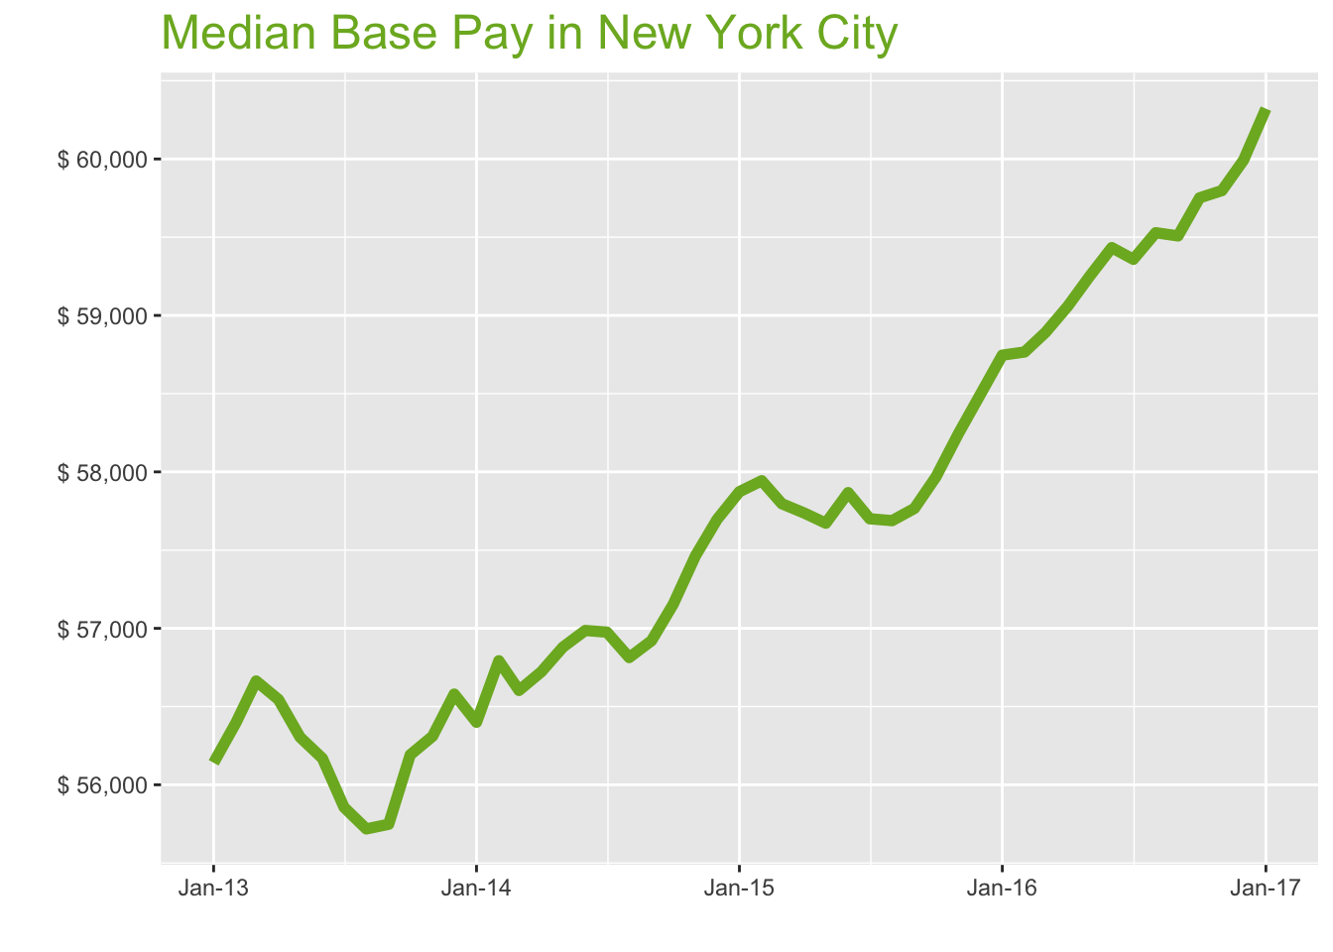
Jan-17

Job Title

Design
 | Median Base Pay | YoY
Graphic Designer | $56,763 | 2.10%
Education
 | Median Base Pay | YoY
Professor | $114,270 | 5.60%
Teacher | $64,403 | 4.70%
Engineering
 | Median Base Pay | YoY
Mechanical Engineer | $72,247 | -1.10%
Design Engineer | $78,495 | 2.20%
Electrical Engineer | $78,211 | 1.30%
Quality Engineer | $77,793 | 2.50%
Field Engineer | $76,978 | 4.30%
Finance
 | Median Base Pay | YoY
Financial Analyst | $78,194 | 3.90%
Accountant | $64,244 | 5.10%
Bank Teller | $31,451 | 4.20%
Tax Manager | $118,211 | 2.30%
Insurance Agent | $46,900 | 7.10%
Health
 | Median Base Pay | YoY
Registered Nurse | $84,226 | 3.40%
Physical Therapist | $84,106 | 9.40%
Pharmacy Technician | $29,373 | 3.20%
Medical Assistant | $39,472 | 4.60%
Physician | $279,425 | 3.40%
Medical Technologist | $59,985 | 0.80%
Emergency Medical Technician | $38,971 | 2.90%
Human Resources
 | Median Base Pay | YoY
Recruiter | $62,733 | 7.60%
Human Resources Manager | $86,755 | 2.60%
Labor
 | Median Base Pay | YoY
Technician | $51,242 | 0.30%
Warehouse Associate | $38,240 | 5.40%
Truck Driver | $58,094 | 7.10%
Machine Operator | $39,745 | 1.90%
Construction Laborer | $47,275 | 0.60%
Maintenance Worker | $39,633 | 1.50%
Law
 | Median Base Pay | YoY
Attorney | $133,089 | 7.80%
Paralegal | $54,592 | -1.30%
Manufacturing
 | Median Base Pay | YoY
Production Manager | $76,821 | 2.00%
Manufacturing Engineer | $75,287 | 4.40%
Media
 | Median Base Pay | YoY
Producer | $72,147 | -6.60%
Technical Editor | $61,555 | 3.40%
Operations
 | Median Base Pay | YoY
Operations Manager | $77,362 | 4.60%
Operations Analyst | $70,471 | 2.60%
Professional Services
 | Median Base Pay | YoY
Consultant | $93,630 | 3.30%
Project Manager | $88,874 | 4.10%
Business Analyst | $80,479 | 4.40%
Administrative Assistant | $47,750 | 1.00%
Marketing Manager | $85,407 | 2.70%
Product Manager | $108,201 | 4.20%
Customer Service Manager | $61,412 | 5.60%
Business Development Manager | $84,231 | 5.70%
Communications Manager | $79,677 | 2.50%
Real Estate
 | Median Base Pay | YoY
Property Manager | $68,301 | 2.20%
Food Services
 | Median Base Pay | YoY
Restaurant Cook | $33,206 | 8.30%
Retail
 | Median Base Pay | YoY
Store Manager | $59,966 | 8.60%
Cashier | $28,123 | 5.20%
Buyer | $73,490 | 4.00%
Retail Key Holder | $34,634 | 5.90%
Sales
 | Median Base Pay | YoY
Sales Representative | $55,050 | 2.70%
Sales Manager | $75,187 | -0.70%
Technology
 | Median Base Pay | YoY
Software Engineer | $104,638 | 3.40%
Programmer Analyst | $82,880 | 5.20%
Web Developer | $80,962 | -1.20%
Data Scientist | $113,171 | 1.50%
Data Analyst | $69,027 | 1.00%
Java Developer | $89,209 | 5.70%
Web Designer | $66,502 | 6.10%

New York City Quick Facts

 | Jan-17 | YoY
New York City Median Pay | $60,322 | 2.70%
U.S. Median Pay | $51,360 | 3.20%
Job Openings | 246,528 | 13.60%
 | Nov-16 | YoY
Labor Force Size* | 10,010,189 | -0.80%
Total Employment* | 9,563,297 | -0.70%
Unemployment Rate* | 4.50% | -0.10%

Industry

 | Median Base Pay
Accounting & Legal | $60,893
Aerospace & Defense | $64,267
Architecture & Civil Engineering | $61,530
Arts & Entertainment | $54,325
Automotive | $54,703
Banking & Financial Services | $59,869
Beauty & Fitness | $53,719
Biotech & Pharmaceuticals | $63,675
Business Services | $58,029
Computer Software & Hardware | $62,136
Construction | $61,773
Consulting | $61,438
Consumer Electronics | $52,211
Consumer Services | $54,503
Education & Schools | $54,785
Energy & Utilities | $67,046
Facilities | $55,195
Farming & Agriculture | $59,983
Government | $60,040
Health Care & Hospitals | $58,281
Information Technology | $59,414
Insurance | $59,670
Internet & Tech | $60,631
Manufacturing | $61,530
Marketing & Advertising | $56,828
Media & Publishing | $57,885
Nonprofit | $54,101
Private Security | $54,060
Real Estate | $57,235
Recruiting & Staffing | $57,071
Restaurants & Bars | $54,407
Retail | $54,764
Supermarkets | $55,667
Telecommunications | $58,879
Transportation & Logistics | $57,915
Travel & Tourism | $54,644
Wholesale | $58,570

Employer Size

 | Median Base Pay
<51 | $54,552
51-200 | $56,595
201-500 | $57,843
501-1000 | $58,888
1001-5000 | $60,229
5000+ | $61,209

